1. Title Page
Instacart Grocery Basket Analysis

Project Name: Instacart Grocery Basket Analysis
Date: 29/04/2023
Analyst Name: Marcela Hincu

Contents:
Population Flow
Consistency checks
Wrangling steps
Column derivations
Visualizations
Recommendations

Data Citation Customer data, as well as the “prices” column in the products data set, were both fabricated for the purpose of this project “The Instacart Online Grocery Shopping Dataset 2017”, Accessed from https://www.instacart.com/datasets/grocery-shopping-2017 on [date].

2. Population Flow
Title page

Population flow

Exclusion flag
Condition: max_order < 99
Obervations to be removed: n/a
Final total count of order_products_all: 32404161

Orders_products_combined
Orders_products_merged
Orders_products_all

Total: 32404859
Total: 32434489
Total: 32404161

1.) The grey boxes in the first row of the population flow represent the original data sets as they were when you downloaded them. In the Total fields you need to add the count of the rows when you imported the data set into Jupyter.
2.) The second row of boxes (coloured) represents the data sets after you manipulated them, e.g., removed missing values and duplicates. In the Total fields you need to add the count of the rows after conducting these operations. This offers a visual oveview of how the data flows throughout the data consistency checks.
3.) The third row, where also the arrows are coloured, represents the merges you performed between the datasets. In the Total fields you need to add the count of the rows in the merged datasets, so that you end up with the final dataset (in the red box). Keep in mind the final dataset should be without exclusions (based on the exclusion flag).

3. Consistency checks
 |  |  |  | Title page
Consistency checks

Dataset | Missing values | Missing values treatment | Duplicates
orders | 206209 | 0 | 0
products | 16 | 16 | 5-removed
orders_products_prior | none | n/a | none
customers | none |  | none

4. Wrangling steps
 |  |  |  | Title page
Wrangling steps

Columns dropped | Columns renamed | Columns' type changed | Comment/Reason
eval_set | order_dow to orders_day_of_week |  | did not contain pertainent information
 | days_since_prior_order |  | Clarity
 |  | order_id | ID numbers should be intrepreted as strings
 |  | user_id | ID numbers should be intrepreted as strings

 | STATE to state |  | consistency in naming practices
 | Age to age |  | consistency in naming practices
 | n_dependents to dependents_number |  | reduce ambiguity
 | Gender to gender |  | consistency in naming practices

first_name |  |  | contain PII elements
last_name |  |  | contain PII elements

5. Column derivations
 |  |  |  | Title page

Column derivations and aggregations

In this tab you should add tables below that the frequences of flags/label variables that you produced after deriving them. NB: don't do this for continuous variables, only for flags.
Dataset | New column | Column/s it was derived from | Conditions
orders_products_merged | price_range_loc | prices | prices <= 5 -- Low-range product prices > 5 & prices <=15 == Mid-range product prices . 15 -- High-range product
orders_products_merged | busiest_day | orders_day_of_week | if orders_day_of_week = 0, Busiest day if orders_day_of_week = 4, Least Busy else Regularly Busy
orders_products_merged | busiest_days | orders_day_of_week | if orders_day_of_week = 0 & 1, Busiest day if orders_day_of_week = 4 & 3, Least Busy else Regularly Busy
orders_products_merged | busiest_period_of_day | order_hour_of_day | if order_hour_of_day = 10, Most orders if order_hour_of_day = 3, Least orders else Average orders
 | loyalty_flag | max_order | if ['max_order'] > 40, 'loyalty_flag' = 'Loyal Customer' if (['max_order'] <= 40) & (['max_order'] > 10), 'loyalty_flag' = 'Regular Customer' if ['max_order'] <= 10, 'loyalty_flag' = 'New Customer'
 | spending_flag | average_price | ['average_price'] < 10, 'spending_flag' = 'Low spender' ['average_price'] >= 10, 'spending_flag' = 'High spender'
 | order_frequency_flag | median_days_since_prior_order | ['median_days_since_prior_order'] > 20, 'order_frequency_flag' = 'Non-frequent customer' (['median_days_since_prior_order'] > 10) & (['median_days_since_prior_order'] <= 20), 'order_frequency_flag' = 'Regular customer' ['median_days_since_prior_order'] <= 10, 'order_frequency_flag' = 'Frequent customer'
 | region | state | "if (value == 'Maine') or (value == 'New Hampshire') or (value == 'Vermont') or (value == 'Massachusetts') or (value == 'Rhode Island') or (value == 'Connecticut') or (value == 'New York') or (value == 'Pennsylvania') or (value =='New Jersey'): region.append('Northeast') elif (value == 'Wisconsin') or (value == 'Michigan') or (value == 'Illinois') or (value == 'Indiana') or (value == 'Ohio') or (value == 'North Dakota') or (value == 'South Dakota') or (value == 'Nebraska') or (value == 'Kansas') or (value == 'Minnesota') or (value == 'Iowa') or (value == 'Missouri'): region.append('Midwest') elif (value == 'Idaho') or (value == 'Montana') or (value == 'Wyoming') or (value == 'Nevada') or (value == 'Utah') or (value == 'Colorado') or (value == 'Arizona') or (value == 'New Mexico') or (value == 'Alaska') or (value == 'Washington') or (value == 'Oregon') or (value == 'California') or (value == 'Hawaii'): region.append('West') else: region.append('South')"
 | activity_flag | max_order | dfloc[df_orders_products_all['max_order'] < 5, 'activity_flag'] = 'Low activityr' df.loc[df_orders_products_all['max_order'] >= 5, 'activity_flag'] = 'Regular activity'
 | age_profile | age | df.loc[df['age']<=40, 'age_profile'] = '18-40' df.loc[(df['age']>40) & (df['age']<= 60), 'age_profile'] = '41-60' df.loc[df['age']>60, 'age_profile'] = '60 +'
 | income_profile | income | df.loc[(df['income'] <= 50000), 'income_profile'] = '<=50k' df.loc[(df['income'] > 50000) & (df['income'] <= 150000), 'income_profile'] = '50k - 150k' df.loc[(df['income'] > 150000), 'income_profile'] = '150k+' df['income_profile'].value_counts(dropna = False)
 | family_profile | number_of_dependants | df.loc[df['dependants_number']== 0, 'family_profile'] = 'Single Adult' df.loc[df['dependants_number']!= 0, 'family_profile'] = 'Family' df['family_profile'].value_counts(dropna = False)

6. Visualizations
 |  |  |  | Title page

Visualisations

In this tab you should include all the visualtions from Exercises 4.9 and 4.10, alongside the questions from the project brief that they answer. Include any commentary on the relationship between different variables.


Busiest Day of the Week
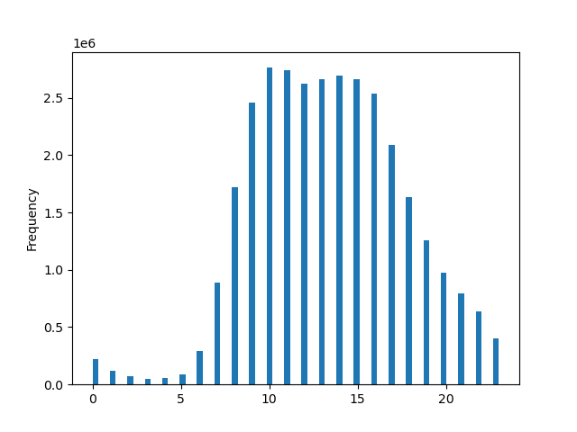
Busiest Hour of Day
Number of orders
 |  |  |  |  | The peak time with the highest sales is between 10am and 3pm.

 |  | Most orders are made on Saturday and Sunday

Days of the week
 |  |  |  | Hour of the Day

Relationship Between Day of the Week and Average Product Price
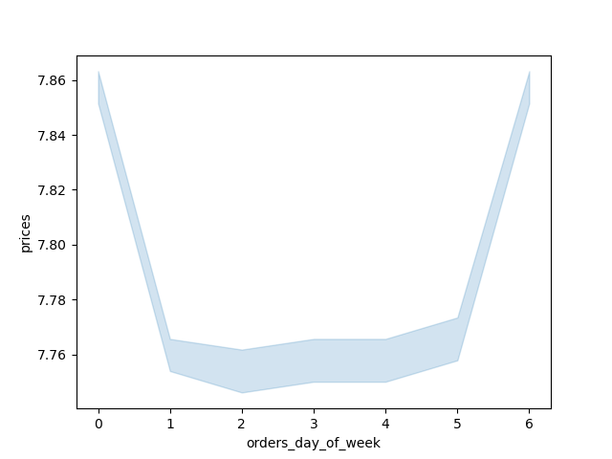
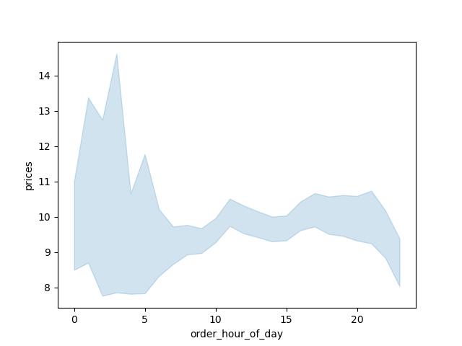
Average prices of Items Bought by the Hour of the day

 |  | While there is little difference in the product prices from day to day, the highest average occur on Sunday and Saturday.
 |  |  |  |  | The price expenditure is the highest between 1 am and 5 am and the lowest around 10 am.


Product Price Distribution
Distribution of Ordred Products ( in 10 milion)
Type of Customers
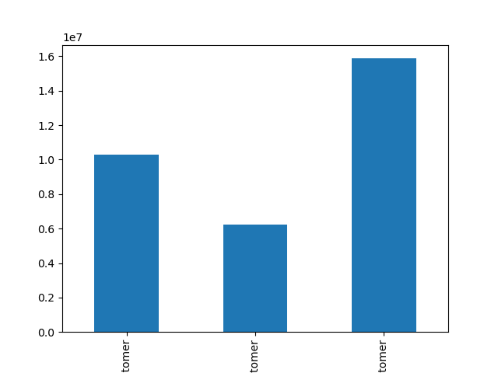

 |  |  |  |  | The regular customers order the most followed by loyal and new customers.
 |  | Most products bought by customers cost less than $15.

Product Price
Loyal Customer
New Customer
Regular Customer


Age VS Number of dependants

Relationship between Age and Income

 |  | There is no correlation between age and number of dependents. |  |  | Most of the clients have incomes below 200,000, but starting with the age of 40, a higher salary of up to 300,000 prevails. A salary higher than 400,000 can only be observed among customers over 40.

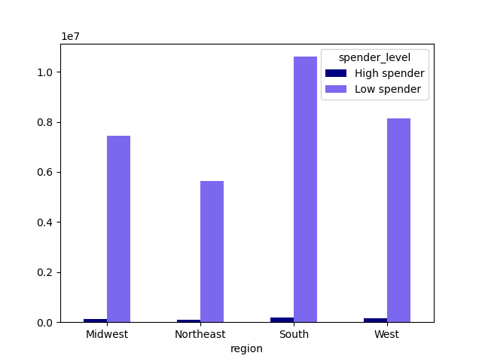
Spending habits by Region

 |  |  |  | The South region is the region with the most High Spenders and Low spenders, but the Northeast region has the lowest number of High and Low spenders. High Spender- the mean of the prices purchased by a user is lower than 10 Low Spender- the mean of the prices purcheased by a user is higher or equal to 10

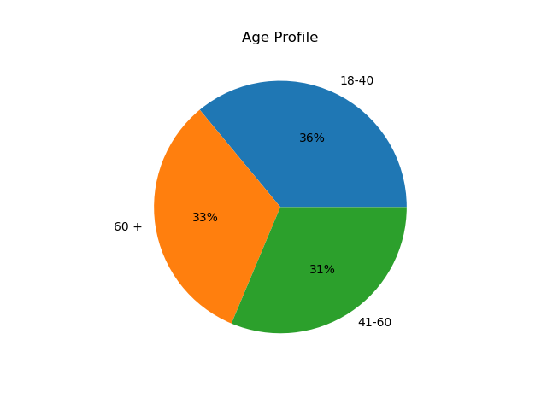
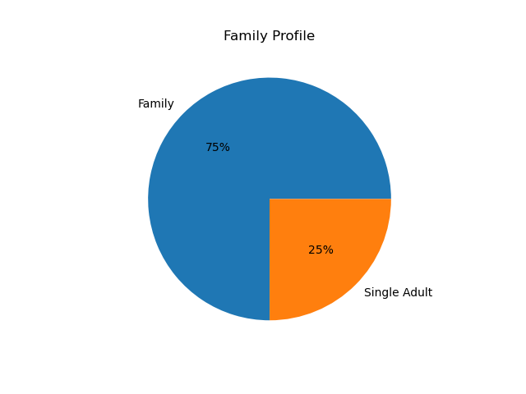
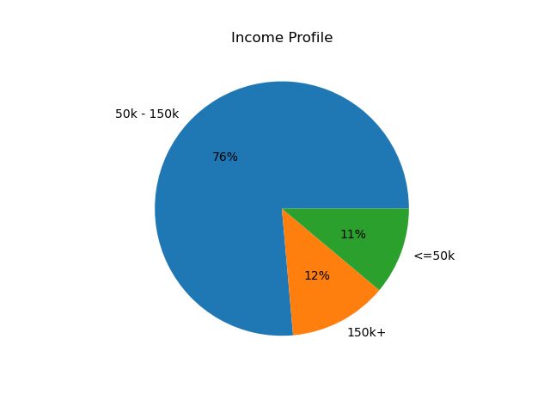

Customers in the income category of 50k-150k are the highest in number
There is not much difference between the age categories of the clients, the highest percentage of 36% is represented by clients between 18-40 years old
Only 25% of clients are single adults, 75% are family clients

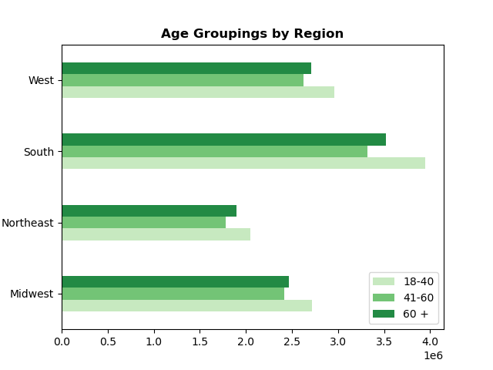
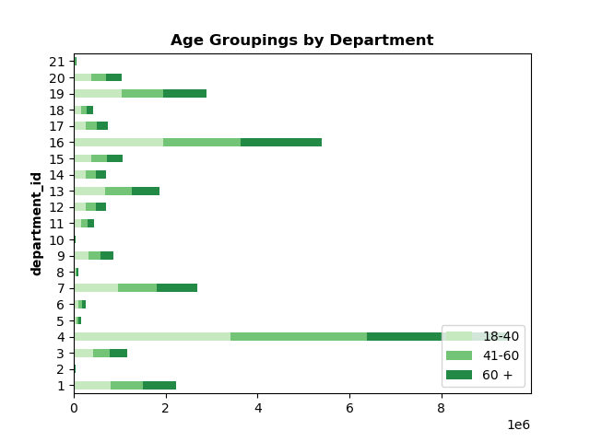

Regions
Regions
Regions
 |  |  |  |  |  | Produce (4) is the highest category in department followed by Dairy Eggs (16) across the age groups.
 |  |  | In all regions, the largest number of customers is represented by customers between the ages of 18-40. The Southern region includes the largest number of clients.

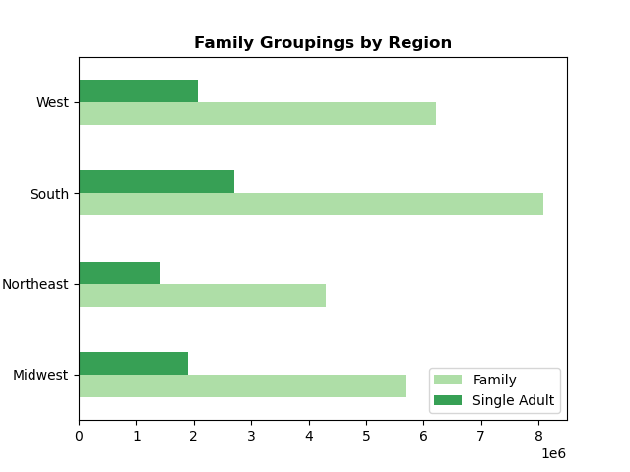
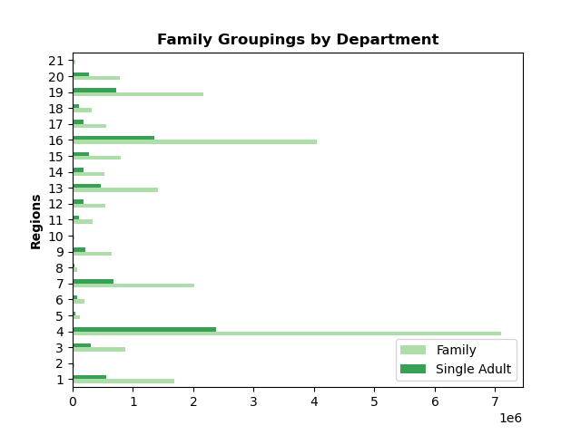

 |  |  |  |  |  | Customers with family purchase the most product in Produce department (4) followed by eggs department (16)
 |  |  | Customers with family from Southern region represents the highest category.

Regions

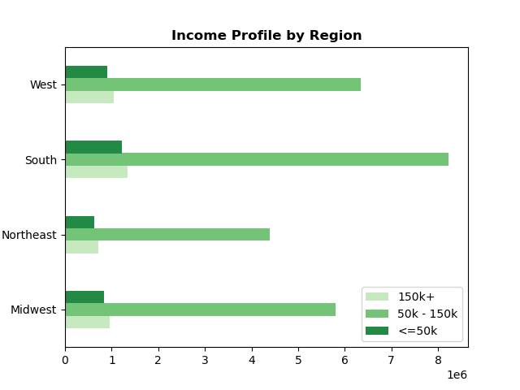
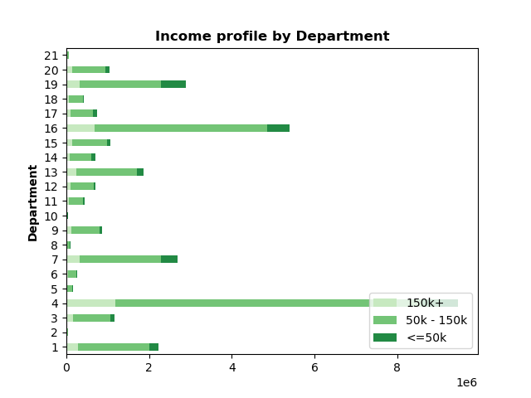

Regions
 |  |  | Customers with income 50k - 150k in Southern region is the highest category. |  |  | Produce is the highest category in department followed by dairy eggs across income group

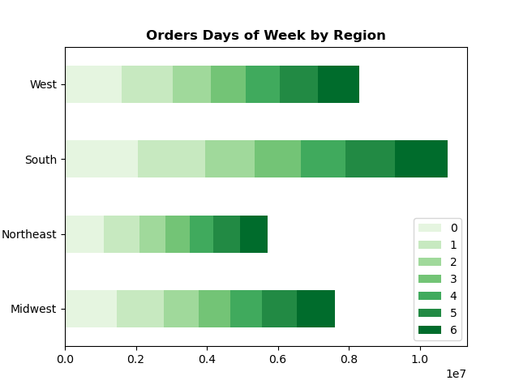
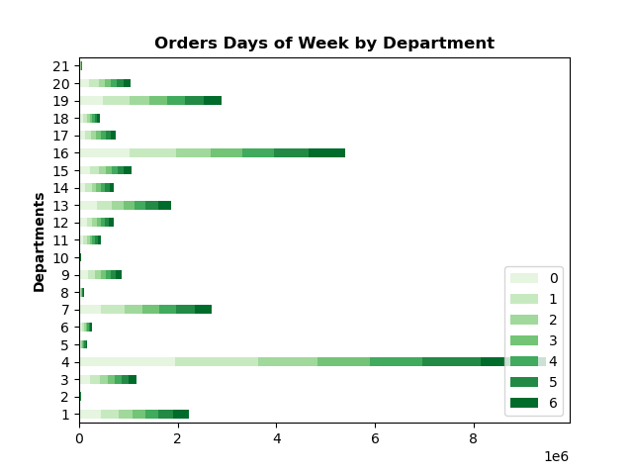

 |  |  |  |  |  | Customers purchase the most products in produce department(4) followed by dairy eggs(16) on Saturday.
 |  |  | Saturday and Sunday in Southern region are the days with the most oreders
Regions

department_id | department
1 | frozen
2 | other
3 | bakery
4 | produce
5 | alcohol
6 | international
7 | beverages
8 | pets
9 | dry goods pasta
10 | bulk
11 | personal care
12 | meat seafood
13 | pantry
14 | breakfast
15 | canned goods
16 | dairy eggs
17 | household
18 | babies
19 | snacks
20 | deli
21 | missing

7. Recommendations
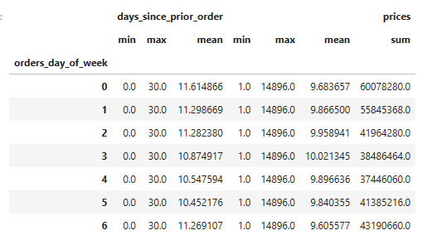
 |  |  |  | Title page

Recommendations

In this tab you should include any recommendations you would made to Instcart in terms of their marketing strategy based on the questions posed in the brief. Every key question has been covered in the Tasks of the Exercises - here you need to add an item - a visualisation or table/crosstable that is showing the answer in the data, acompanied by a comment from you. Please, list the questions below and add the answer underneath.

Number of orders
Busiest Day of the Week
Busiest Hour of Day
Busiest Hour of Day
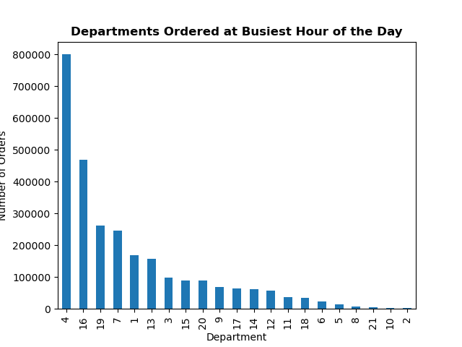
Question | Answer
Question 1 The sales team needs to know what the busiest days of the week and hours of the day are (i.e., the days and times with the most orders) in order to schedule ads at times when there are fewer orders. | The busiest day of the week is is Saturday (0) followed by Sunday (1). The least busy is Wednesday(4), followed by Tuesday (3). The peak time with the highest sales is between 10am and 3pm. 10 am being the busiest hour of day. The least busy hours of days are 3am -4 am. |  |  |  |  |  | 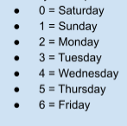
Question 2 | Answer |  |  |  |  |  |  | department_id
They also want to know whether there are particular times of the day when people spend the most money, as this might inform the type of products they advertise at these times. | People spend the most money at 10 am for products from Produce(4) department , followed by dairy eggs (16) |  |  |  |  | 1 | frozen |  | 12 | meat seafood
 |  |  |  |  |  | 2 | other |  | 13 | pantry
 |  |  |  |  |  | 3 | bakery |  | 14 | breakfast
 |  |  |  |  |  | 4 | produce |  | 15 | canned goods
 |  |  |  |  |  | 5 | alcohol |  | 16 | dairy eggs
 |  |  |  |  |  | 6 | international |  | 17 | household
 |  |  |  |  |  | 7 | beverages |  | 18 | babies
 |  |  |  |  |  | 8 | pets |  | 19 | snacks
 |  |  |  |  |  | 9 | dry goods pasta |  | 20 | deli
 |  |  |  |  |  | 10 | bulk |  | 21 | missing
 |  |  |  |  |  | 11 | personal care

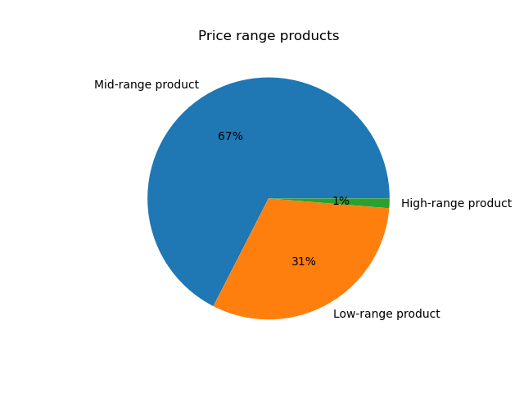
Question 3 | Answer
Instacart has a lot of products with different price tags. Marketing and sales want to use simpler price range groupings to help direct their efforts. | Mid-range product 21860860
 | Low-range product 10126321
 | High-range product 417678
 |  |  | Low-range product |  | <= 5 $
 |  |  | Mid-range product |  | >5$ and <=15$
 |  |  | High-range product |  | >15$

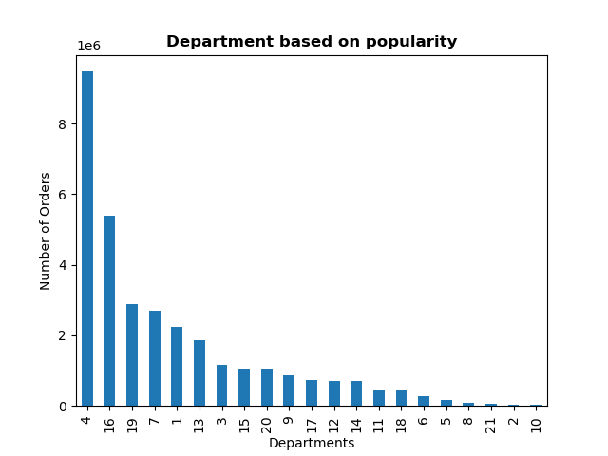
Question 4 | Answer
Are there certain types of products that are more popular than others? The marketing and sales teams want to know which departments have the highest frequency of product orders | The top 3 popular departments are: 4- Produce 16- Dairy eggs 19- Snacks |  | department_id
 |  | 1 | frozen |  | 12 | meat seafood
 |  | 2 | other |  | 13 | pantry
 |  | 3 | bakery |  | 14 | breakfast
 |  | 4 | produce |  | 15 | canned goods
 |  | 5 | alcohol |  | 16 | dairy eggs
 |  | 6 | international |  | 17 | household
 |  | 7 | beverages |  | 18 | babies
 |  | 8 | pets |  | 19 | snacks
 |  | 9 | dry goods pasta |  | 20 | deli
 |  | 10 | bulk |  | 21 | missing
 |  | 11 | personal care

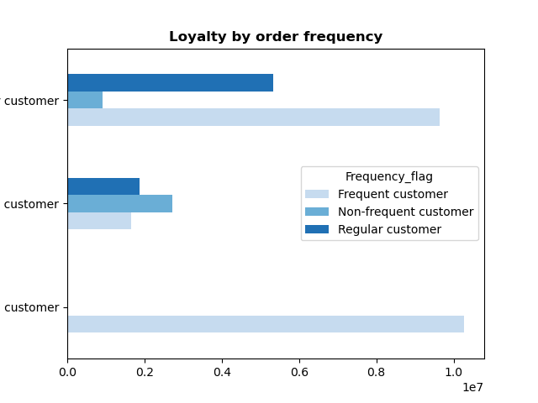
Regular Customer
Question 5 | Answer
The marketing and sales teams are particularly interested in the different types of customers in their system and how their ordering behaviors differ

5.1 What’s the distribution among users in regards to their brand loyalty (i.e., how often do they return to Instacart)? | The loyal customers are mostly the frequent customers. The regular customers are the most frequent customers followed by regular and non-frequent customers. The new-customers are less in number with non-frequent customer being the highest followed by regular and frequent customers.
New Customer

Loyal Customer

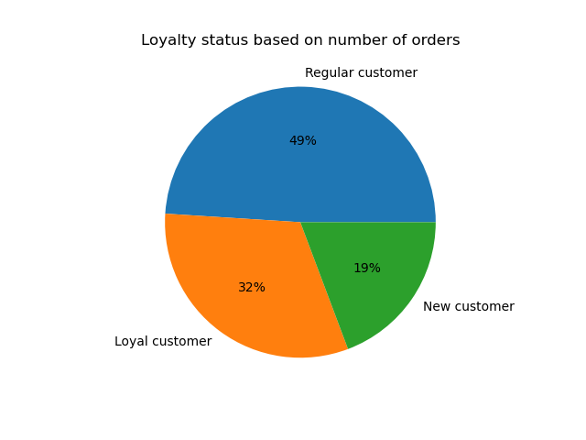
5.2 Are there differences in ordering habits based on a customer’s loyalty status? | The regular customers order the most, followed by Loyal Customers and the fewest orders are from Loyal Customers.

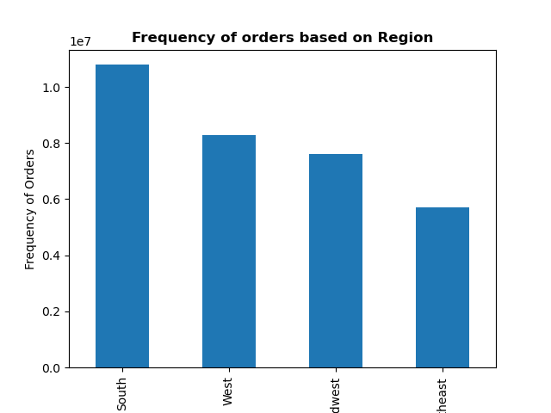
5.3 Are there differences in ordering habits based on a customer’s region? | In South region there are the highest number of orders, followed by West, Midwest, Northeast

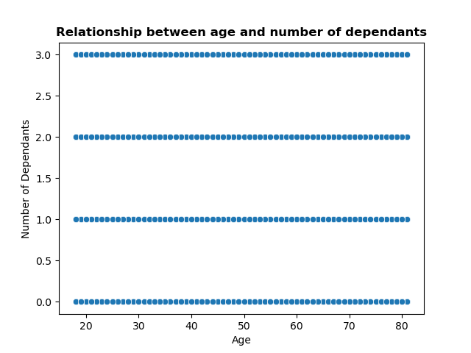
5.4 Is there a connection between age and family status in terms of ordering habits | There are up to 3 dependants across age group 20-80

5.5 What different classifications does the demographic information suggest? Age? Income? Certain types of goods? Family status? | There is not much difference between the age categories of the clients, the highest percentage of 36% is represented by clients between 18-40 years old. Customers in the income category of 50k-150k are the highest in number. Only 25% of clients are single adults, 75% are family clients

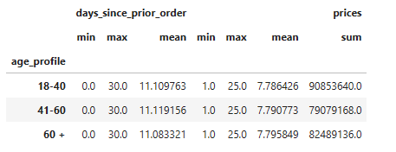
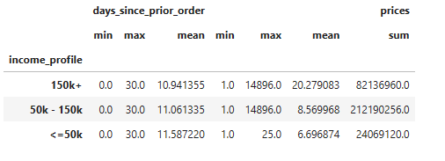
5.6 What differences can you find in ordering habits of different customer profiles? Consider the price of orders, the frequency of orders, the products customers are ordering, and anything else you can think of. | Customers of all age groups order at an average interval of 11 days. Customers between the ages of 18-40 contribute the most to revenue, having the highest total amount of orders. Customers with incomes of 50K-150 K contribute with the most revenue. Customers with family contribute with the most revenue. The average number of days between each order is 10 or 11 across different days of week. Saturday is the highest revenue day across week. Customer profiles have no influence on the frequency of purchase , 11 days being the average interval of order across all profiles.

